Inputs - Outputs
 | Percentages
Remaining (useful) | 48.79%
Motor | 8.60%
Gearing | 5.07%
Bearing | 0.10%
Propellor | 37.45%
Input |  | System Outputs |  |  |  |  |  |  |  | Power Distribution
General |  | Power |  | Speed |  | Thrust |  | Total Percentage
Boat speed [m/s] | 1 | Power input [W] | 73.43 | Boat speed [m/s] | 1 | Thrust [N] | 35.83 | Efficiency [%] | 48.79%
 |  | Power output [W] | 35.83 | Boat speed [km/h] | 3.6 |  |  | Power loss [%] | 51.21%
 |  | Power loss [W] | 37.60 | Rotational speed [rpm] | 148.64

 |  | Sub-system Outputs
Legend |  | Motor properties |  | Gearing properties |  | Bearing properties |  | Propellor properties
User input | Page 1 | Rotation speed [rpm] | 445.91 | Rotation speed [rpm] | 148.64 | Power loss [W] | 0.07 | Power loss [W] | 27.50
Outputs | Page 1 | Output torque [Nm] | 1.44 | Torque [Nm] | 4.07 | Power loss [%] | 0.10% | Power loss [%] | 37.45%
Properties | Page 2 | Input voltage [V] | 9.71 | Power loss [W] | 3.72
 |  | Input current [A] | 7.57 | Power loss [%] | 5.07%
 |  | Power loss [W] | 6.31
 |  | Power loss [%] | 8.60%

Range graph
 | consumption | loss | output
0 | 0 | 0 | 0
0.5 | 14.28 | 9.3 | 4.98
1 | 21.75 | 11.79 | 9.96
1.5 | 29.25 | 14.32 | 14.93
2 | 35.68 | 15.77 | 19.91
2.5 | 42.16 | 17.28 | 24.88
3 | 48.88 | 19.02 | 29.86
3.5 | 59.52 | 22.57 | 36.95
4 | 77.06 | 29.31 | 47.75
4.5 | 92.18 | 34.72 | 57.46
5 | 107.6 | 40.13 | 67.47
5.5 | 124.26 | 45.76 | 78.5
6 | 141.42 | 50.82 | 90.6
6.5 | 159.91 | 56.23 | 103.68
7 | 169.4 | 55.86 | 113.54
7.5 | 180.21 | 58.56 | 121.65
8 | 192.17 | 62.41 | 129.76
8.3 | 199.39 | 64.77 | 134.62
 |  | Energy Outputs
 |  | Consumption [Wh/km] | 20.40 | Loss [Wh/km] | 10.45 | Output [Wh/km] | 9.95 | Range [m/Wh] | 49.02
 |  | Consumption [mAh/km] | 2101.44 | Loss [mAh/km] | 1076.07 | Output [mAh/km] | 1025.38 | Range [m/mAh] | 0.48
 |  | Consumption [J/km] | 73433.9 | Loss [J/km] | 37602.643196 | Output [J/km] | 35831.2 | Range [m/J] | 0.01

 |  | To do:
 |  | Extra check calculations
 |  | Update range graph
 |  | Lock calc sheets
 |  | Explain error motor

Motor
Values from gearing system |  |  | Explanation: |  | From motor table
Feedback rotation speed from gearing [rpm] | 445.90990407 |  | Data is expanded using linear formulas |  | Rpm |  |  |  |  |  |  |  |  | Linear formula parts
Feedback torque from gearing [Nm] | 1.4373881025 |  | A row belonging to given torque is made | V, T | 0 | 5 | 10 | 15 | 20 | 25 | 30 | 35 | 38 | a | b |  | Linear interpolation |  |  |  |  | Linear formula parts |  |  |  | Linear inter-&extrapolation
 |  |  | Voltage is selected according to rpm | 24 | 1172 | 1138 | 1103 | 1069 | 1034 | 1000 | 965 | 931 | 910 | -6.8971276928 | 1172.1876366 | T, V | 24 | 36 | 48 | 60 | 72 | a | b |  | T, V | 0 | 1 | 2 | 3 | 4 | 5 | 6 | 7 | 8 | 9 | 10 | 11 | 12 | 13 | 14 | 15 | 16 | 17 | 18 | 19 | 20 | 21 | 22 | 23 | 24 | 25 | 26 | 27 | 28 | 29 | 30 | 31 | 32 | 33 | 34 | 35 | 36 | 37 | 38 | 39 | 40 | 41 | 42 | 43 | 44 | 45 | 46 | 47 | 48 | 49 | 50 | 51 | 52 | 53 | 54 | 55 | 56 | 57 | 58 | 59 | 60 | 61 | 62 | 63 | 64 | 65 | 66 | 67 | 68 | 69 | 70 | 71 | 72
Intermediate variables |  | Avg measured | Measured data is used to check the error | 36 | 1739 | 1709 | 1679 | 1649 | 1619 | 1588 | 1558 | 1528 | 1510 | -6.0343428036 | 1739.2347799 | 0 | 1172.1876366 | 1739.2347799 | 2335.0284109 | 2937.1075554 | 3532.1941929 | 49.315715735 | -24.00384015 |  | 0 | -24.00384015 | 25.311875585 | 74.627591321 | 123.94330706 | 173.25902279 | 222.57473853 | 271.89045426 | 321.20617 | 370.52188573 | 419.83760147 | 469.1533172 | 518.46903294 | 567.78474867 | 617.10046441 | 666.41618014 | 715.73189588 | 765.04761161 | 814.36332735 | 863.67904308 | 912.99475882 | 962.31047456 | 1011.6261903 | 1060.941906 | 1110.2576218 | 1159.5733375 | 1208.8890532 | 1258.204769 | 1307.5204847 | 1356.8362004 | 1406.1519162 | 1455.4676319 | 1504.7833476 | 1554.0990634 | 1603.4147791 | 1652.7304948 | 1702.0462106 | 1751.3619263 | 1800.6776421 | 1849.9933578 | 1899.3090735 | 1948.6247893 | 1997.940505 | 2047.2562207 | 2096.5719365 | 2145.8876522 | 2195.2033679 | 2244.5190837 | 2293.8347994 | 2343.1505151 | 2392.4662309 | 2441.7819466 | 2491.0976623 | 2540.4133781 | 2589.7290938 | 2639.0448096 | 2688.3605253 | 2737.676241 | 2786.9919568 | 2836.3076725 | 2885.6233882 | 2934.939104 | 2984.2548197 | 3033.5705354 | 3082.8862512 | 3132.2019669 | 3181.5176826 | 3230.8333984 | 3280.1491141 | 3329.4648298 | 3378.7805456 | 3428.0962613 | 3477.4119771 | 3526.7276928
Current torque relation coefficient | 0.19 | 0.187 |  | 48 | 2335 | 2302 | 2269 | 2236 | 2203 | 2170 | 2137 | 2104 | 2084 | -6.6025600999 | 2335.0284109 | 1 | 1165.2905089 | 1733.2004371 | 2328.4258508 | 2929.9335779 | 3524.734936 | 49.296849958 | -29.931735873 |  | 1 | -29.931735873 | 19.365114086 | 68.661964044 | 117.958814 | 167.25566396 | 216.55251392 | 265.84936388 | 315.14621384 | 364.44306379 | 413.73991375 | 463.03676371 | 512.33361367 | 561.63046363 | 610.92731359 | 660.22416354 | 709.5210135 | 758.81786346 | 808.11471342 | 857.41156338 | 906.70841334 | 956.00526329 | 1005.3021133 | 1054.5989632 | 1103.8958132 | 1153.1926631 | 1202.4895131 | 1251.786363 | 1301.083213 | 1350.380063 | 1399.6769129 | 1448.9737629 | 1498.2706128 | 1547.5674628 | 1596.8643128 | 1646.1611627 | 1695.4580127 | 1744.7548626 | 1794.0517126 | 1843.3485625 | 1892.6454125 | 1941.9422625 | 1991.2391124 | 2040.5359624 | 2089.8328123 | 2139.1296623 | 2188.4265123 | 2237.7233622 | 2287.0202122 | 2336.3170621 | 2385.6139121 | 2434.910762 | 2484.207612 | 2533.504462 | 2582.8013119 | 2632.0981619 | 2681.3950118 | 2730.6918618 | 2779.9887118 | 2829.2855617 | 2878.5824117 | 2927.8792616 | 2977.1761116 | 3026.4729615 | 3075.7698115 | 3125.0666615 | 3174.3635114 | 3223.6603614 | 3272.9572113 | 3322.2540613 | 3371.5509113 | 3420.8477612 | 3470.1446112 | 3519.4414611
 |  |  |  | 60 | 2937 | 2901 | 2865 | 2830 | 2794 | 2758 | 2722 | 2686 | 2664 | -7.1739775211 | 2937.1075554 | 2 | 1158.3933812 | 1727.1660943 | 2321.8232907 | 2922.7596004 | 3517.2756791 | 49.277984181 | -35.859631595 |  | 2 | -35.859631595 | 13.418352586 | 62.696336768 | 111.97432095 | 161.25230513 | 210.53028931 | 259.80827349 | 309.08625768 | 358.36424186 | 407.64222604 | 456.92021022 | 506.1981944 | 555.47617858 | 604.75416276 | 654.03214695 | 703.31013113 | 752.58811531 | 801.86609949 | 851.14408367 | 900.42206785 | 949.70005203 | 998.97803622 | 1048.2560204 | 1097.5340046 | 1146.8119888 | 1196.0899729 | 1245.3679571 | 1294.6459413 | 1343.9239255 | 1393.2019097 | 1442.4798938 | 1491.757878 | 1541.0358622 | 1590.3138464 | 1639.5918306 | 1688.8698148 | 1738.1477989 | 1787.4257831 | 1836.7037673 | 1885.9817515 | 1935.2597357 | 1984.5377198 | 2033.815704 | 2083.0936882 | 2132.3716724 | 2181.6496566 | 2230.9276408 | 2280.2056249 | 2329.4836091 | 2378.7615933 | 2428.0395775 | 2477.3175617 | 2526.5955458 | 2575.87353 | 2625.1515142 | 2674.4294984 | 2723.7074826 | 2772.9854667 | 2822.2634509 | 2871.5414351 | 2920.8194193 | 2970.0974035 | 3019.3753877 | 3068.6533718 | 3117.931356 | 3167.2093402 | 3216.4873244 | 3265.7653086 | 3315.0432927 | 3364.3212769 | 3413.5992611 | 3462.8772453 | 3512.1552295
Output values |  |  |  | 72 | 3532 | 3495 | 3458 | 3420 | 3383 | 3346 | 3308 | 3271 | 3249 | -7.4592569466 | 3532.1941929 | 3 | 1151.4962535 | 1721.1317515 | 2315.2207306 | 2915.5856229 | 3509.8164221 | 49.259118405 | -41.787527318 |  | 3 | -41.787527318 | 7.4715910865 | 56.730709491 | 105.9898279 | 155.2489463 | 204.5080647 | 253.76718311 | 303.02630151 | 352.28541992 | 401.54453832 | 450.80365673 | 500.06277513 | 549.32189354 | 598.58101194 | 647.84013035 | 697.09924875 | 746.35836716 | 795.61748556 | 844.87660397 | 894.13572237 | 943.39484077 | 992.65395918 | 1041.9130776 | 1091.172196 | 1140.4313144 | 1189.6904328 | 1238.9495512 | 1288.2086696 | 1337.467788 | 1386.7269064 | 1435.9860248 | 1485.2451432 | 1534.5042616 | 1583.76338 | 1633.0224984 | 1682.2816168 | 1731.5407352 | 1780.7998537 | 1830.0589721 | 1879.3180905 | 1928.5772089 | 1977.8363273 | 2027.0954457 | 2076.3545641 | 2125.6136825 | 2174.8728009 | 2224.1319193 | 2273.3910377 | 2322.6501561 | 2371.9092745 | 2421.1683929 | 2470.4275113 | 2519.6866297 | 2568.9457481 | 2618.2048665 | 2667.4639849 | 2716.7231033 | 2765.9822217 | 2815.2413401 | 2864.5004586 | 2913.759577 | 2963.0186954 | 3012.2778138 | 3061.5369322 | 3110.7960506 | 3160.055169 | 3209.3142874 | 3258.5734058 | 3307.8325242 | 3357.0916426 | 3406.350761 | 3455.6098794 | 3504.8689978
Motor input voltage [V] | 9.7067972632 |  |  |  |  |  |  |  |  |  |  |  |  |  |  | 4 | 1144.5991258 | 1715.0974087 | 2308.6181705 | 2908.4116453 | 3502.3571652 | 49.240252628 | -47.715423041 |  | 4 | -47.715423041 | 1.5248295868 | 50.765082215 | 100.00533484 | 149.24558747 | 198.4858401 | 247.72609273 | 296.96634535 | 346.20659798 | 395.44685061 | 444.68710324 | 493.92735586 | 543.16760849 | 592.40786112 | 641.64811375 | 690.88836638 | 740.128619 | 789.36887163 | 838.60912426 | 887.84937689 | 937.08962951 | 986.32988214 | 1035.5701348 | 1084.8103874 | 1134.05064 | 1183.2908927 | 1232.5311453 | 1281.7713979 | 1331.0116505 | 1380.2519032 | 1429.4921558 | 1478.7324084 | 1527.972661 | 1577.2129137 | 1626.4531663 | 1675.6934189 | 1724.9336716 | 1774.1739242 | 1823.4141768 | 1872.6544294 | 1921.8946821 | 1971.1349347 | 2020.3751873 | 2069.61544 | 2118.8556926 | 2168.0959452 | 2217.3361978 | 2266.5764505 | 2315.8167031 | 2365.0569557 | 2414.2972083 | 2463.537461 | 2512.7777136 | 2562.0179662 | 2611.2582189 | 2660.4984715 | 2709.7387241 | 2758.9789767 | 2808.2192294 | 2857.459482 | 2906.6997346 | 2955.9399873 | 3005.1802399 | 3054.4204925 | 3103.6607451 | 3152.9009978 | 3202.1412504 | 3251.381503 | 3300.6217556 | 3349.8620083 | 3399.1022609 | 3448.3425135 | 3497.5827662
Motor input current [A] | 7.5652005395 |  |  |  |  |  |  |  |  |  |  |  |  |  |  | 5 | 1137.7019981 | 1709.0630659 | 2302.0156104 | 2901.2376678 | 3494.8979082 | 49.221386851 | -53.643318764 |  | 5 | -53.643318764 | -4.4219319128 | 44.799454938 | 94.020841789 | 143.24222864 | 192.46361549 | 241.68500234 | 290.90638919 | 340.12777604 | 389.34916289 | 438.57054975 | 487.7919366 | 537.01332345 | 586.2347103 | 635.45609715 | 684.677484 | 733.89887085 | 783.1202577 | 832.34164455 | 881.5630314 | 930.78441825 | 980.0058051 | 1029.227192 | 1078.4485788 | 1127.6699657 | 1176.8913525 | 1226.1127394 | 1275.3341262 | 1324.5555131 | 1373.7768999 | 1422.9982868 | 1472.2196736 | 1521.4410605 | 1570.6624473 | 1619.8838342 | 1669.105221 | 1718.3266079 | 1767.5479947 | 1816.7693816 | 1865.9907684 | 1915.2121553 | 1964.4335421 | 2013.654929 | 2062.8763158 | 2112.0977027 | 2161.3190895 | 2210.5404764 | 2259.7618632 | 2308.9832501 | 2358.2046369 | 2407.4260238 | 2456.6474106 | 2505.8687975 | 2555.0901843 | 2604.3115712 | 2653.532958 | 2702.7543449 | 2751.9757317 | 2801.1971186 | 2850.4185054 | 2899.6398923 | 2948.8612791 | 2998.082666 | 3047.3040528 | 3096.5254397 | 3145.7468265 | 3194.9682134 | 3244.1896002 | 3293.4109871 | 3342.6323739 | 3391.8537608 | 3441.0751476 | 3490.2965345
Motor input power [W] | 73.433867892 |  |  |  |  |  |  |  |  |  |  |  |  |  |  | 6 | 1130.8048704 | 1703.0287231 | 2295.4130503 | 2894.0636903 | 3487.4386513 | 49.202521074 | -59.571214486 |  | 6 | -59.571214486 | -10.368693412 | 38.833827662 | 88.036348736 | 137.23886981 | 186.44139088 | 235.64391196 | 284.84643303 | 334.04895411 | 383.25147518 | 432.45399625 | 481.65651733 | 530.8590384 | 580.06155948 | 629.26408055 | 678.46660162 | 727.6691227 | 776.87164377 | 826.07416485 | 875.27668592 | 924.47920699 | 973.68172807 | 1022.8842491 | 1072.0867702 | 1121.2892913 | 1170.4918124 | 1219.6943334 | 1268.8968545 | 1318.0993756 | 1367.3018967 | 1416.5044177 | 1465.7069388 | 1514.9094599 | 1564.111981 | 1613.314502 | 1662.5170231 | 1711.7195442 | 1760.9220653 | 1810.1245863 | 1859.3271074 | 1908.5296285 | 1957.7321495 | 2006.9346706 | 2056.1371917 | 2105.3397128 | 2154.5422338 | 2203.7447549 | 2252.947276 | 2302.1497971 | 2351.3523181 | 2400.5548392 | 2449.7573603 | 2498.9598814 | 2548.1624024 | 2597.3649235 | 2646.5674446 | 2695.7699657 | 2744.9724867 | 2794.1750078 | 2843.3775289 | 2892.58005 | 2941.782571 | 2990.9850921 | 3040.1876132 | 3089.3901342 | 3138.5926553 | 3187.7951764 | 3236.9976975 | 3286.2002185 | 3335.4027396 | 3384.6052607 | 3433.8077818 | 3483.0103028
Motor efficiency [%] | 91.402% |  |  |  |  |  |  |  |  |  |  |  |  |  |  | 7 | 1123.9077427 | 1696.9943803 | 2288.8104902 | 2886.8897128 | 3479.9793943 | 49.183655297 | -65.499110209 |  | 7 | -65.499110209 | -16.315454912 | 32.868200385 | 82.051855682 | 131.23551098 | 180.41916628 | 229.60282157 | 278.78647687 | 327.97013217 | 377.15378746 | 426.33744276 | 475.52109806 | 524.70475336 | 573.88840865 | 623.07206395 | 672.25571925 | 721.43937454 | 770.62302984 | 819.80668514 | 868.99034044 | 918.17399573 | 967.35765103 | 1016.5413063 | 1065.7249616 | 1114.9086169 | 1164.0922722 | 1213.2759275 | 1262.4595828 | 1311.6432381 | 1360.8268934 | 1410.0105487 | 1459.194204 | 1508.3778593 | 1557.5615146 | 1606.7451699 | 1655.9288252 | 1705.1124805 | 1754.2961358 | 1803.4797911 | 1852.6634464 | 1901.8471017 | 1951.030757 | 2000.2144123 | 2049.3980676 | 2098.5817229 | 2147.7653782 | 2196.9490335 | 2246.1326888 | 2295.3163441 | 2344.4999993 | 2393.6836546 | 2442.8673099 | 2492.0509652 | 2541.2346205 | 2590.4182758 | 2639.6019311 | 2688.7855864 | 2737.9692417 | 2787.152897 | 2836.3365523 | 2885.5202076 | 2934.7038629 | 2983.8875182 | 3033.0711735 | 3082.2548288 | 3131.4384841 | 3180.6221394 | 3229.8057947 | 3278.98945 | 3328.1731053 | 3377.3567606 | 3426.5404159 | 3475.7240712
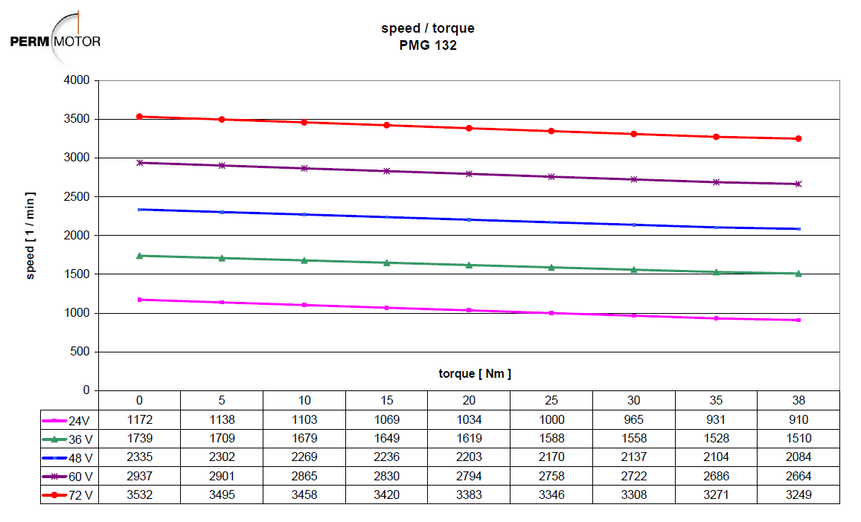
Power loss [W] | 6.3142025678 |  |  |  |  |  |  |  |  |  |  |  |  |  |  | 8 | 1117.010615 | 1690.9600375 | 2282.2079301 | 2879.7157352 | 3472.5201374 | 49.16478952 | -71.427005932 |  | 8 | -71.427005932 | -22.262216412 | 26.902573109 | 76.067362629 | 125.23215215 | 174.39694167 | 223.56173119 | 272.72652071 | 321.89131023 | 371.05609975 | 420.22088927 | 469.38567879 | 518.55046831 | 567.71525783 | 616.88004735 | 666.04483687 | 715.20962639 | 764.37441591 | 813.53920543 | 862.70399495 | 911.86878447 | 961.03357399 | 1010.1983635 | 1059.363153 | 1108.5279426 | 1157.6927321 | 1206.8575216 | 1256.0223111 | 1305.1871006 | 1354.3518902 | 1403.5166797 | 1452.6814692 | 1501.8462587 | 1551.0110482 | 1600.1758378 | 1649.3406273 | 1698.5054168 | 1747.6702063 | 1796.8349958 | 1845.9997854 | 1895.1645749 | 1944.3293644 | 1993.4941539 | 2042.6589434 | 2091.823733 | 2140.9885225 | 2190.153312 | 2239.3181015 | 2288.482891 | 2337.6476806 | 2386.8124701 | 2435.9772596 | 2485.1420491 | 2534.3068386 | 2583.4716282 | 2632.6364177 | 2681.8012072 | 2730.9659967 | 2780.1307862 | 2829.2955758 | 2878.4603653 | 2927.6251548 | 2976.7899443 | 3025.9547338 | 3075.1195234 | 3124.2843129 | 3173.4491024 | 3222.6138919 | 3271.7786814 | 3320.943471 | 3370.1082605 | 3419.27305 | 3468.4378395
 |  |  |  |  |  |  |  |  |  |  |  |  |  |  |  | 9 | 1110.1134874 | 1684.9256947 | 2275.60537 | 2872.5417577 | 3465.0608804 | 49.145923743 | -77.354901655 |  | 9 | -77.354901655 | -28.208977911 | 20.936945832 | 70.082869575 | 119.22879332 | 168.37471706 | 217.52064081 | 266.66656455 | 315.81248829 | 364.95841204 | 414.10433578 | 463.25025952 | 512.39618327 | 561.54210701 | 610.68803075 | 659.8339545 | 708.97987824 | 758.12580198 | 807.27172573 | 856.41764947 | 905.56357321 | 954.70949696 | 1003.8554207 | 1053.0013444 | 1102.1472682 | 1151.2931919 | 1200.4391157 | 1249.5850394 | 1298.7309632 | 1347.8768869 | 1397.0228106 | 1446.1687344 | 1495.3146581 | 1544.4605819 | 1593.6065056 | 1642.7524294 | 1691.8983531 | 1741.0442768 | 1790.1902006 | 1839.3361243 | 1888.4820481 | 1937.6279718 | 1986.7738956 | 2035.9198193 | 2085.0657431 | 2134.2116668 | 2183.3575905 | 2232.5035143 | 2281.649438 | 2330.7953618 | 2379.9412855 | 2429.0872093 | 2478.233133 | 2527.3790567 | 2576.5249805 | 2625.6709042 | 2674.816828 | 2723.9627517 | 2773.1086755 | 2822.2545992 | 2871.4005229 | 2920.5464467 | 2969.6923704 | 3018.8382942 | 3067.9842179 | 3117.1301417 | 3166.2760654 | 3215.4219892 | 3264.5679129 | 3313.7138366 | 3362.8597604 | 3412.0056841 | 3461.1516079
Average current error [A] | 0.9968 | Guideline for A-T coefficient |  |  |  |  |  |  |  |  |  |  |  |  |  | 10 | 1103.2163597 | 1678.8913519 | 2269.0028099 | 2865.3677802 | 3457.6016235 | 49.127057966 | -83.282797377 |  | 10 | -83.282797377 | -34.155739411 | 14.971318556 | 64.098376522 | 113.22543449 | 162.35249245 | 211.47955042 | 260.60660839 | 309.73366635 | 358.86072432 | 407.98778229 | 457.11484025 | 506.24189822 | 555.36895619 | 604.49601415 | 653.62307212 | 702.75013009 | 751.87718805 | 801.00424602 | 850.13130399 | 899.25836195 | 948.38541992 | 997.51247789 | 1046.6395359 | 1095.7665938 | 1144.8936518 | 1194.0207098 | 1243.1477677 | 1292.2748257 | 1341.4018837 | 1390.5289416 | 1439.6559996 | 1488.7830576 | 1537.9101155 | 1587.0371735 | 1636.1642314 | 1685.2912894 | 1734.4183474 | 1783.5454053 | 1832.6724633 | 1881.7995213 | 1930.9265792 | 1980.0536372 | 2029.1806952 | 2078.3077531 | 2127.4348111 | 2176.5618691 | 2225.688927 | 2274.815985 | 2323.943043 | 2373.0701009 | 2422.1971589 | 2471.3242169 | 2520.4512748 | 2569.5783328 | 2618.7053908 | 2667.8324487 | 2716.9595067 | 2766.0865647 | 2815.2136226 | 2864.3406806 | 2913.4677386 | 2962.5947965 | 3011.7218545 | 3060.8489125 | 3109.9759704 | 3159.1030284 | 3208.2300864 | 3257.3571443 | 3306.4842023 | 3355.6112603 | 3404.7383182 | 3453.8653762
Average voltage error [V] | 0.0569 |  |  |  |  |  |  |  |  |  |  |  |  |  |  | 11 | 1096.319232 | 1672.8570091 | 2262.4002498 | 2858.1938027 | 3450.1423665 | 49.10819219 | -89.2106931 |  | 11 | -89.2106931 | -40.102500911 | 9.005691279 | 58.113883469 | 107.22207566 | 156.33026785 | 205.43846004 | 254.54665223 | 303.65484442 | 352.76303661 | 401.8712288 | 450.97942099 | 500.08761318 | 549.19580536 | 598.30399755 | 647.41218974 | 696.52038193 | 745.62857412 | 794.73676631 | 843.8449585 | 892.95315069 | 942.06134288 | 991.16953507 | 1040.2777273 | 1089.3859195 | 1138.4941116 | 1187.6023038 | 1236.710496 | 1285.8186882 | 1334.9268804 | 1384.0350726 | 1433.1432648 | 1482.251457 | 1531.3596492 | 1580.4678413 | 1629.5760335 | 1678.6842257 | 1727.7924179 | 1776.9006101 | 1826.0088023 | 1875.1169945 | 1924.2251867 | 1973.3333789 | 2022.4415711 | 2071.5497632 | 2120.6579554 | 2169.7661476 | 2218.8743398 | 2267.982532 | 2317.0907242 | 2366.1989164 | 2415.3071086 | 2464.4153008 | 2513.5234929 | 2562.6316851 | 2611.7398773 | 2660.8480695 | 2709.9562617 | 2759.0644539 | 2808.1726461 | 2857.2808383 | 2906.3890305 | 2955.4972227 | 3004.6054148 | 3053.713607 | 3102.8217992 | 3151.9299914 | 3201.0381836 | 3250.1463758 | 3299.254568 | 3348.3627602 | 3397.4709524 | 3446.5791446
Average efficiency error [%] | 1.016% |  |  |  |  |  |  |  |  |  |  |  |  |  |  | 12 | 1089.4221043 | 1666.8226663 | 2255.7976897 | 2851.0198252 | 3442.6831096 | 49.089326413 | -95.138588823 |  | 12 | -95.138588823 | -46.04926241 | 3.0400640025 | 52.129390415 | 101.21871683 | 150.30804324 | 199.39736965 | 248.48669607 | 297.57602248 | 346.66534889 | 395.7546753 | 444.84400172 | 493.93332813 | 543.02265454 | 592.11198096 | 641.20130737 | 690.29063378 | 739.37996019 | 788.46928661 | 837.55861302 | 886.64793943 | 935.73726584 | 984.82659226 | 1033.9159187 | 1083.0052451 | 1132.0945715 | 1181.1838979 | 1230.2732243 | 1279.3625507 | 1328.4518771 | 1377.5412036 | 1426.63053 | 1475.7198564 | 1524.8091828 | 1573.8985092 | 1622.9878356 | 1672.077162 | 1721.1664884 | 1770.2558149 | 1819.3451413 | 1868.4344677 | 1917.5237941 | 1966.6131205 | 2015.7024469 | 2064.7917733 | 2113.8810998 | 2162.9704262 | 2212.0597526 | 2261.149079 | 2310.2384054 | 2359.3277318 | 2408.4170582 | 2457.5063846 | 2506.5957111 | 2555.6850375 | 2604.7743639 | 2653.8636903 | 2702.9530167 | 2752.0423431 | 2801.1316695 | 2850.2209959 | 2899.3103224 | 2948.3996488 | 2997.4889752 | 3046.5783016 | 3095.667628 | 3144.7569544 | 3193.8462808 | 3242.9356072 | 3292.0249337 | 3341.1142601 | 3390.2035865 | 3439.2929129
 |  |  |  |  |  |  |  |  |  |  |  |  |  |  |  | 13 | 1082.5249766 | 1660.7883234 | 2249.1951296 | 2843.8458476 | 3435.2238526 | 49.070460636 | -101.06648455 |  | 13 | -101.06648455 | -51.99602391 | -2.925563274 | 46.144897362 | 95.215357998 | 144.28581863 | 193.35627927 | 242.42673991 | 291.49720054 | 340.56766118 | 389.63812181 | 438.70858245 | 487.77904308 | 536.84950372 | 585.91996436 | 634.99042499 | 684.06088563 | 733.13134626 | 782.2018069 | 831.27226754 | 880.34272817 | 929.41318881 | 978.48364944 | 1027.5541101 | 1076.6245707 | 1125.6950314 | 1174.765492 | 1223.8359526 | 1272.9064133 | 1321.9768739 | 1371.0473345 | 1420.1177952 | 1469.1882558 | 1518.2587164 | 1567.3291771 | 1616.3996377 | 1665.4700983 | 1714.540559 | 1763.6110196 | 1812.6814803 | 1861.7519409 | 1910.8224015 | 1959.8928622 | 2008.9633228 | 2058.0337834 | 2107.1042441 | 2156.1747047 | 2205.2451653 | 2254.315626 | 2303.3860866 | 2352.4565472 | 2401.5270079 | 2450.5974685 | 2499.6679292 | 2548.7383898 | 2597.8088504 | 2646.8793111 | 2695.9497717 | 2745.0202323 | 2794.090693 | 2843.1611536 | 2892.2316142 | 2941.3020749 | 2990.3725355 | 3039.4429961 | 3088.5134568 | 3137.5839174 | 3186.6543781 | 3235.7248387 | 3284.7952993 | 3333.86576 | 3382.9362206 | 3432.0066812
 |  |  |  |  |  |  |  |  |  |  |  |  |  |  |  | 14 | 1075.6278489 | 1654.7539806 | 2242.5925695 | 2836.6718701 | 3427.7645957 | 49.051594859 | -106.99438027 |  | 14 | -106.99438027 | -57.94278541 | -8.8911905505 | 40.160404308 | 89.211999167 | 138.26359403 | 187.31518889 | 236.36678374 | 285.4183786 | 334.46997346 | 383.52156832 | 432.57316318 | 481.62475804 | 530.6763529 | 579.72794776 | 628.77954262 | 677.83113748 | 726.88273233 | 775.93432719 | 824.98592205 | 874.03751691 | 923.08911177 | 972.14070663 | 1021.1923015 | 1070.2438963 | 1119.2954912 | 1168.3470861 | 1217.3986809 | 1266.4502758 | 1315.5018706 | 1364.5534655 | 1413.6050604 | 1462.6566552 | 1511.7082501 | 1560.7598449 | 1609.8114398 | 1658.8630347 | 1707.9146295 | 1756.9662244 | 1806.0178192 | 1855.0694141 | 1904.1210089 | 1953.1726038 | 2002.2241987 | 2051.2757935 | 2100.3273884 | 2149.3789832 | 2198.4305781 | 2247.482173 | 2296.5337678 | 2345.5853627 | 2394.6369575 | 2443.6885524 | 2492.7401473 | 2541.7917421 | 2590.843337 | 2639.8949318 | 2688.9465267 | 2737.9981216 | 2787.0497164 | 2836.1013113 | 2885.1529061 | 2934.204501 | 2983.2560958 | 3032.3076907 | 3081.3592856 | 3130.4108804 | 3179.4624753 | 3228.5140701 | 3277.565665 | 3326.6172599 | 3375.6688547 | 3424.7204496
 |  |  |  |  |  |  |  |  |  |  |  |  |  |  |  | 15 | 1068.7307212 | 1648.7196378 | 2235.9900094 | 2829.4978926 | 3420.3053387 | 49.032729082 | -112.92227599 |  | 15 | -112.92227599 | -63.889546909 | -14.856817827 | 34.175911255 | 83.208640337 | 132.24136942 | 181.2740985 | 230.30682758 | 279.33955667 | 328.37228575 | 377.40501483 | 426.43774391 | 475.47047299 | 524.50320208 | 573.53593116 | 622.56866024 | 671.60138932 | 720.6341184 | 769.66684749 | 818.69957657 | 867.73230565 | 916.76503473 | 965.79776382 | 1014.8304929 | 1063.863222 | 1112.8959511 | 1161.9286801 | 1210.9614092 | 1259.9941383 | 1309.0268674 | 1358.0595965 | 1407.0923256 | 1456.1250546 | 1505.1577837 | 1554.1905128 | 1603.2232419 | 1652.255971 | 1701.2887 | 1750.3214291 | 1799.3541582 | 1848.3868873 | 1897.4196164 | 1946.4523455 | 1995.4850745 | 2044.5178036 | 2093.5505327 | 2142.5832618 | 2191.6159909 | 2240.64872 | 2289.681449 | 2338.7141781 | 2387.7469072 | 2436.7796363 | 2485.8123654 | 2534.8450944 | 2583.8778235 | 2632.9105526 | 2681.9432817 | 2730.9760108 | 2780.0087399 | 2829.0414689 | 2878.074198 | 2927.1069271 | 2976.1396562 | 3025.1723853 | 3074.2051143 | 3123.2378434 | 3172.2705725 | 3221.3033016 | 3270.3360307 | 3319.3687598 | 3368.4014888 | 3417.4342179
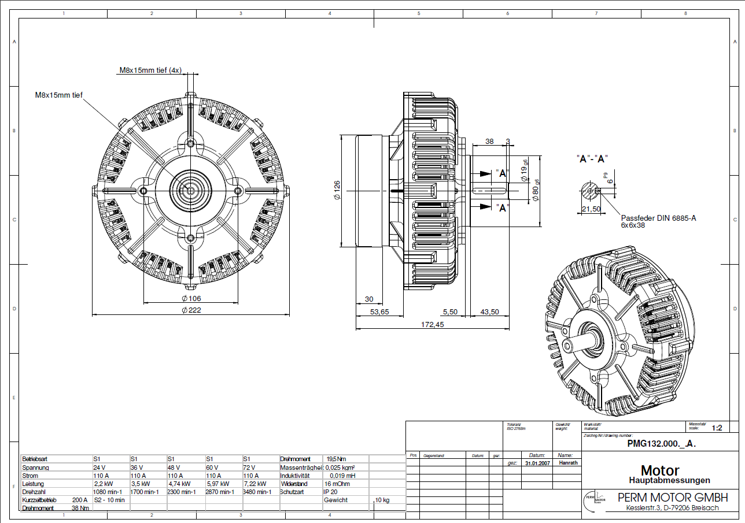
 |  |  |  |  |  |  |  |  |  |  |  |  |  |  |  | 16 | 1061.8335935 | 1642.685295 | 2229.3874493 | 2822.3239151 | 3412.8460818 | 49.013863305 | -118.85017171 |  | 16 | -118.85017171 | -69.836308409 | -20.822445104 | 28.191418202 | 77.205281507 | 126.21914481 | 175.23300812 | 224.24687142 | 273.26073473 | 322.27459803 | 371.28846134 | 420.30232464 | 469.31618795 | 518.33005125 | 567.34391456 | 616.35777786 | 665.37164117 | 714.38550447 | 763.39936778 | 812.41323109 | 861.42709439 | 910.4409577 | 959.454821 | 1008.4686843 | 1057.4825476 | 1106.4964109 | 1155.5102742 | 1204.5241375 | 1253.5380008 | 1302.5518641 | 1351.5657274 | 1400.5795907 | 1449.5934541 | 1498.6073174 | 1547.6211807 | 1596.635044 | 1645.6489073 | 1694.6627706 | 1743.6766339 | 1792.6904972 | 1841.7043605 | 1890.7182238 | 1939.7320871 | 1988.7459504 | 2037.7598137 | 2086.773677 | 2135.7875403 | 2184.8014036 | 2233.8152669 | 2282.8291302 | 2331.8429935 | 2380.8568569 | 2429.8707202 | 2478.8845835 | 2527.8984468 | 2576.9123101 | 2625.9261734 | 2674.9400367 | 2723.9539 | 2772.9677633 | 2821.9816266 | 2870.9954899 | 2920.0093532 | 2969.0232165 | 3018.0370798 | 3067.0509431 | 3116.0648064 | 3165.0786697 | 3214.092533 | 3263.1063963 | 3312.1202597 | 3361.134123 | 3410.1479863
 |  |  |  |  |  |  |  |  |  |  |  |  |  |  |  | 17 | 1054.9364658 | 1636.6509522 | 2222.7848892 | 2815.1499376 | 3405.3868249 | 48.994997528 | -124.77806744 |  | 17 | -124.77806744 | -75.783069908 | -26.78807238 | 22.206925148 | 71.201922677 | 120.19692021 | 169.19191773 | 218.18691526 | 267.18191279 | 316.17691032 | 365.17190785 | 414.16690538 | 463.1619029 | 512.15690043 | 561.15189796 | 610.14689549 | 659.14189302 | 708.13689055 | 757.13188807 | 806.1268856 | 855.12188313 | 904.11688066 | 953.11187819 | 1002.1068757 | 1051.1018732 | 1100.0968708 | 1149.0918683 | 1198.0868658 | 1247.0818634 | 1296.0768609 | 1345.0718584 | 1394.0668559 | 1443.0618535 | 1492.056851 | 1541.0518485 | 1590.0468461 | 1639.0418436 | 1688.0368411 | 1737.0318386 | 1786.0268362 | 1835.0218337 | 1884.0168312 | 1933.0118288 | 1982.0068263 | 2031.0018238 | 2079.9968213 | 2128.9918189 | 2177.9868164 | 2226.9818139 | 2275.9768115 | 2324.971809 | 2373.9668065 | 2422.961804 | 2471.9568016 | 2520.9517991 | 2569.9467966 | 2618.9417942 | 2667.9367917 | 2716.9317892 | 2765.9267867 | 2814.9217843 | 2863.9167818 | 2912.9117793 | 2961.9067768 | 3010.9017744 | 3059.8967719 | 3108.8917694 | 3157.886767 | 3206.8817645 | 3255.876762 | 3304.8717595 | 3353.8667571 | 3402.8617546
 |  |  |  |  |  |  |  |  |  |  |  |  |  |  |  | 18 | 1048.0393381 | 1630.6166094 | 2216.1823291 | 2807.97596 | 3397.9275679 | 48.976131751 | -130.70596316 |  | 18 | -130.70596316 | -81.729831408 | -32.753699657 | 16.222432095 | 65.198563846 | 114.1746956 | 163.15082735 | 212.1269591 | 261.10309085 | 310.0792226 | 359.05535436 | 408.03148611 | 457.00761786 | 505.98374961 | 554.95988136 | 603.93601311 | 652.91214486 | 701.88827662 | 750.86440837 | 799.84054012 | 848.81667187 | 897.79280362 | 946.76893537 | 995.74506712 | 1044.7211989 | 1093.6973306 | 1142.6734624 | 1191.6495941 | 1240.6257259 | 1289.6018576 | 1338.5779894 | 1387.5541211 | 1436.5302529 | 1485.5063846 | 1534.4825164 | 1583.4586481 | 1632.4347799 | 1681.4109116 | 1730.3870434 | 1779.3631751 | 1828.3393069 | 1877.3154387 | 1926.2915704 | 1975.2677022 | 2024.2438339 | 2073.2199657 | 2122.1960974 | 2171.1722292 | 2220.1483609 | 2269.1244927 | 2318.1006244 | 2367.0767562 | 2416.0528879 | 2465.0290197 | 2514.0051514 | 2562.9812832 | 2611.9574149 | 2660.9335467 | 2709.9096784 | 2758.8858102 | 2807.8619419 | 2856.8380737 | 2905.8142054 | 2954.7903372 | 3003.7664689 | 3052.7426007 | 3101.7187324 | 3150.6948642 | 3199.6709959 | 3248.6471277 | 3297.6232594 | 3346.5993912 | 3395.5755229
 |  |  |  |  |  |  |  |  |  |  |  |  |  |  |  | 19 | 1041.1422104 | 1624.5822666 | 2209.579769 | 2800.8019825 | 3390.468311 | 48.957265975 | -136.63385888 |  | 19 | -136.63385888 | -87.676592908 | -38.719326933 | 10.237939042 | 59.195205016 | 108.15247099 | 157.10973697 | 206.06700294 | 255.02426891 | 303.98153489 | 352.93880086 | 401.89606684 | 450.85333281 | 499.81059879 | 548.76786476 | 597.72513074 | 646.68239671 | 695.63966269 | 744.59692866 | 793.55419464 | 842.51146061 | 891.46872658 | 940.42599256 | 989.38325853 | 1038.3405245 | 1087.2977905 | 1136.2550565 | 1185.2123224 | 1234.1695884 | 1283.1268544 | 1332.0841204 | 1381.0413863 | 1429.9986523 | 1478.9559183 | 1527.9131843 | 1576.8704502 | 1625.8277162 | 1674.7849822 | 1723.7422482 | 1772.6995141 | 1821.6567801 | 1870.6140461 | 1919.5713121 | 1968.528578 | 2017.485844 | 2066.44311 | 2115.4003759 | 2164.3576419 | 2213.3149079 | 2262.2721739 | 2311.2294398 | 2360.1867058 | 2409.1439718 | 2458.1012378 | 2507.0585037 | 2556.0157697 | 2604.9730357 | 2653.9303017 | 2702.8875676 | 2751.8448336 | 2800.8020996 | 2849.7593656 | 2898.7166315 | 2947.6738975 | 2996.6311635 | 3045.5884295 | 3094.5456954 | 3143.5029614 | 3192.4602274 | 3241.4174934 | 3290.3747593 | 3339.3320253 | 3388.2892913
 |  |  |  |  |  |  |  |  |  |  |  |  |  |  |  | 20 | 1034.2450827 | 1618.5479238 | 2202.9772089 | 2793.628005 | 3383.009054 | 48.938400198 | -142.56175461 |  | 20 | -142.56175461 | -93.623354407 | -44.68495421 | 4.2534459881 | 53.191846186 | 102.13024638 | 151.06864658 | 200.00704678 | 248.94544698 | 297.88384717 | 346.82224737 | 395.76064757 | 444.69904777 | 493.63744797 | 542.57584816 | 591.51424836 | 640.45264856 | 689.39104876 | 738.32944895 | 787.26784915 | 836.20624935 | 885.14464955 | 934.08304975 | 983.02144994 | 1031.9598501 | 1080.8982503 | 1129.8366505 | 1178.7750507 | 1227.7134509 | 1276.6518511 | 1325.5902513 | 1374.5286515 | 1423.4670517 | 1472.4054519 | 1521.3438521 | 1570.2822523 | 1619.2206525 | 1668.1590527 | 1717.0974529 | 1766.0358531 | 1814.9742533 | 1863.9126535 | 1912.8510537 | 1961.7894539 | 2010.7278541 | 2059.6662543 | 2108.6046545 | 2157.5430547 | 2206.4814549 | 2255.4198551 | 2304.3582553 | 2353.2966555 | 2402.2350557 | 2451.1734559 | 2500.1118561 | 2549.0502563 | 2597.9886565 | 2646.9270567 | 2695.8654569 | 2744.8038571 | 2793.7422573 | 2842.6806575 | 2891.6190577 | 2940.5574579 | 2989.495858 | 3038.4342582 | 3087.3726584 | 3136.3110586 | 3185.2494588 | 3234.187859 | 3283.1262592 | 3332.0646594 | 3381.0030596
 |  |  |  |  |  |  |  |  |  |  |  |  |  |  |  | 21 | 1027.347955 | 1612.513581 | 2196.3746488 | 2786.4540275 | 3375.5497971 | 48.919534421 | -148.48965033 |  | 21 | -148.48965033 | -99.570115907 | -50.650581486 | -1.7310470653 | 47.188487356 | 96.108021776 | 145.0275562 | 193.94709062 | 242.86662504 | 291.78615946 | 340.70569388 | 389.6252283 | 438.54476272 | 487.46429714 | 536.38383156 | 585.30336599 | 634.22290041 | 683.14243483 | 732.06196925 | 780.98150367 | 829.90103809 | 878.82057251 | 927.74010693 | 976.65964135 | 1025.5791758 | 1074.4987102 | 1123.4182446 | 1172.337779 | 1221.2573135 | 1270.1768479 | 1319.0963823 | 1368.0159167 | 1416.9354511 | 1465.8549856 | 1514.77452 | 1563.6940544 | 1612.6135888 | 1661.5331232 | 1710.4526577 | 1759.3721921 | 1808.2917265 | 1857.2112609 | 1906.1307953 | 1955.0503298 | 2003.9698642 | 2052.8893986 | 2101.808933 | 2150.7284675 | 2199.6480019 | 2248.5675363 | 2297.4870707 | 2346.4066051 | 2395.3261396 | 2444.245674 | 2493.1652084 | 2542.0847428 | 2591.0042772 | 2639.9238117 | 2688.8433461 | 2737.7628805 | 2786.6824149 | 2835.6019493 | 2884.5214838 | 2933.4410182 | 2982.3605526 | 3031.280087 | 3080.1996214 | 3129.1191559 | 3178.0386903 | 3226.9582247 | 3275.8777591 | 3324.7972936 | 3373.716828
 |  |  |  |  |  |  |  |  |  |  |  |  |  |  |  | 22 | 1020.4508273 | 1606.4792382 | 2189.7720887 | 2779.28005 | 3368.0905401 | 48.900668644 | -154.41754605 |  | 22 | -154.41754605 | -105.51687741 | -56.616208763 | -7.7155401186 | 41.185128525 | 90.085797169 | 138.98646581 | 187.88713446 | 236.7878031 | 285.68847175 | 334.58914039 | 383.48980903 | 432.39047768 | 481.29114632 | 530.19181497 | 579.09248361 | 627.99315225 | 676.8938209 | 725.79448954 | 774.69515819 | 823.59582683 | 872.49649547 | 921.39716412 | 970.29783276 | 1019.1985014 | 1068.09917 | 1116.9998387 | 1165.9005073 | 1214.801176 | 1263.7018446 | 1312.6025133 | 1361.5031819 | 1410.4038506 | 1459.3045192 | 1508.2051878 | 1557.1058565 | 1606.0065251 | 1654.9071938 | 1703.8078624 | 1752.7085311 | 1801.6091997 | 1850.5098684 | 1899.410537 | 1948.3112056 | 1997.2118743 | 2046.1125429 | 2095.0132116 | 2143.9138802 | 2192.8145489 | 2241.7152175 | 2290.6158861 | 2339.5165548 | 2388.4172234 | 2437.3178921 | 2486.2185607 | 2535.1192294 | 2584.019898 | 2632.9205667 | 2681.8212353 | 2730.7219039 | 2779.6225726 | 2828.5232412 | 2877.4239099 | 2926.3245785 | 2975.2252472 | 3024.1259158 | 3073.0265845 | 3121.9272531 | 3170.8279217 | 3219.7285904 | 3268.629259 | 3317.5299277 | 3366.4305963
 |  |  |  |  |  |  |  |  |  |  |  |  |  |  |  | 23 | 1013.5536997 | 1600.4448954 | 2183.1695286 | 2772.1060724 | 3360.6312832 | 48.881802867 | -160.34544177 |  | 23 | -160.34544177 | -111.46363891 | -62.581836039 | -13.700033172 | 35.181769695 | 84.063572562 | 132.94537543 | 181.8271783 | 230.70898116 | 279.59078403 | 328.4725869 | 377.35438976 | 426.23619263 | 475.1179955 | 523.99979837 | 572.88160123 | 621.7634041 | 670.64520697 | 719.52700983 | 768.4088127 | 817.29061557 | 866.17241844 | 915.0542213 | 963.93602417 | 1012.817827 | 1061.6996299 | 1110.5814328 | 1159.4632356 | 1208.3450385 | 1257.2268414 | 1306.1086442 | 1354.9904471 | 1403.87225 | 1452.7540528 | 1501.6358557 | 1550.5176586 | 1599.3994614 | 1648.2812643 | 1697.1630672 | 1746.04487 | 1794.9266729 | 1843.8084758 | 1892.6902786 | 1941.5720815 | 1990.4538844 | 2039.3356872 | 2088.2174901 | 2137.099293 | 2185.9810958 | 2234.8628987 | 2283.7447016 | 2332.6265044 | 2381.5083073 | 2430.3901102 | 2479.2719131 | 2528.1537159 | 2577.0355188 | 2625.9173217 | 2674.7991245 | 2723.6809274 | 2772.5627303 | 2821.4445331 | 2870.326336 | 2919.2081389 | 2968.0899417 | 3016.9717446 | 3065.8535475 | 3114.7353503 | 3163.6171532 | 3212.4989561 | 3261.3807589 | 3310.2625618 | 3359.1443647
 |  |  |  |  |  |  |  |  |  |  |  |  |  |  |  | 24 | 1006.656572 | 1594.4105526 | 2176.5669685 | 2764.9320949 | 3353.1720262 | 48.86293709 | -166.2733375 |  | 24 | -166.2733375 | -117.41040041 | -68.547463316 | -19.684526225 | 29.178410865 | 78.041347955 | 126.90428505 | 175.76722214 | 224.63015923 | 273.49309632 | 322.35603341 | 371.2189705 | 420.08190759 | 468.94484468 | 517.80778177 | 566.67071886 | 615.53365595 | 664.39659304 | 713.25953013 | 762.12246722 | 810.98540431 | 859.8483414 | 908.71127849 | 957.57421558 | 1006.4371527 | 1055.3000898 | 1104.1630268 | 1153.0259639 | 1201.888901 | 1250.7518381 | 1299.6147752 | 1348.4777123 | 1397.3406494 | 1446.2035865 | 1495.0665236 | 1543.9294607 | 1592.7923978 | 1641.6553348 | 1690.5182719 | 1739.381209 | 1788.2441461 | 1837.1070832 | 1885.9700203 | 1934.8329574 | 1983.6958945 | 2032.5588316 | 2081.4217687 | 2130.2847057 | 2179.1476428 | 2228.0105799 | 2276.873517 | 2325.7364541 | 2374.5993912 | 2423.4623283 | 2472.3252654 | 2521.1882025 | 2570.0511396 | 2618.9140766 | 2667.7770137 | 2716.6399508 | 2765.5028879 | 2814.365825 | 2863.2287621 | 2912.0916992 | 2960.9546363 | 3009.8175734 | 3058.6805105 | 3107.5434475 | 3156.4063846 | 3205.2693217 | 3254.1322588 | 3302.9951959 | 3351.858133
 |  |  |  |  |  |  |  |  |  |  |  |  |  |  |  | 25 | 999.75944427 | 1588.3762098 | 2169.9644084 | 2757.7581174 | 3345.7127693 | 48.844071313 | -172.20123322 |  | 25 | -172.20123322 | -123.35716191 | -74.513090592 | -25.669019279 | 23.175052035 | 72.019123348 | 120.86319466 | 169.70726597 | 218.55133729 | 267.3954086 | 316.23947991 | 365.08355123 | 413.92762254 | 462.77169385 | 511.61576517 | 560.45983648 | 609.30390779 | 658.14797911 | 706.99205042 | 755.83612173 | 804.68019305 | 853.52426436 | 902.36833567 | 951.21240699 | 1000.0564783 | 1048.9005496 | 1097.7446209 | 1146.5886922 | 1195.4327636 | 1244.2768349 | 1293.1209062 | 1341.9649775 | 1390.8090488 | 1439.6531201 | 1488.4971914 | 1537.3412627 | 1586.1853341 | 1635.0294054 | 1683.8734767 | 1732.717548 | 1781.5616193 | 1830.4056906 | 1879.2497619 | 1928.0938333 | 1976.9379046 | 2025.7819759 | 2074.6260472 | 2123.4701185 | 2172.3141898 | 2221.1582611 | 2270.0023324 | 2318.8464038 | 2367.6904751 | 2416.5345464 | 2465.3786177 | 2514.222689 | 2563.0667603 | 2611.9108316 | 2660.754903 | 2709.5989743 | 2758.4430456 | 2807.2871169 | 2856.1311882 | 2904.9752595 | 2953.8193308 | 3002.6634021 | 3051.5074735 | 3100.3515448 | 3149.1956161 | 3198.0396874 | 3246.8837587 | 3295.72783 | 3344.5719013
 |  |  |  |  |  |  |  |  |  |  |  |  |  |  |  | 26 | 992.86231658 | 1582.341867 | 2163.3618483 | 2750.5841399 | 3338.2535123 | 48.825205536 | -178.12912894 |  | 26 | -178.12912894 | -129.30392341 | -80.478717869 | -31.653512332 | 17.171693204 | 65.996898741 | 114.82210428 | 163.64730981 | 212.47251535 | 261.29772089 | 310.12292642 | 358.94813196 | 407.7733375 | 456.59854303 | 505.42374857 | 554.24895411 | 603.07415964 | 651.89936518 | 700.72457071 | 749.54977625 | 798.37498179 | 847.20018732 | 896.02539286 | 944.8505984 | 993.67580393 | 1042.5010095 | 1091.326215 | 1140.1514205 | 1188.9766261 | 1237.8018316 | 1286.6270372 | 1335.4522427 | 1384.2774482 | 1433.1026538 | 1481.9278593 | 1530.7530648 | 1579.5782704 | 1628.4034759 | 1677.2286814 | 1726.053887 | 1774.8790925 | 1823.7042981 | 1872.5295036 | 1921.3547091 | 1970.1799147 | 2019.0051202 | 2067.8303257 | 2116.6555313 | 2165.4807368 | 2214.3059423 | 2263.1311479 | 2311.9563534 | 2360.781559 | 2409.6067645 | 2458.43197 | 2507.2571756 | 2556.0823811 | 2604.9075866 | 2653.7327922 | 2702.5579977 | 2751.3832032 | 2800.2084088 | 2849.0336143 | 2897.8588199 | 2946.6840254 | 2995.5092309 | 3044.3344365 | 3093.159642 | 3141.9848475 | 3190.8100531 | 3239.6352586 | 3288.4604641 | 3337.2856697
 |  |  |  |  |  |  |  |  |  |  |  |  |  |  |  | 27 | 985.96518889 | 1576.3075242 | 2156.7592882 | 2743.4101623 | 3330.7942554 | 48.80633976 | -184.05702466 |  | 27 | -184.05702466 | -135.2506849 | -86.444345145 | -37.638005386 | 11.168334374 | 59.974674134 | 108.78101389 | 157.58735365 | 206.39369341 | 255.20003317 | 304.00637293 | 352.81271269 | 401.61905245 | 450.42539221 | 499.23173197 | 548.03807173 | 596.84441149 | 645.65075125 | 694.45709101 | 743.26343077 | 792.06977053 | 840.87611029 | 889.68245005 | 938.48878981 | 987.29512957 | 1036.1014693 | 1084.9078091 | 1133.7141488 | 1182.5204886 | 1231.3268284 | 1280.1331681 | 1328.9395079 | 1377.7458476 | 1426.5521874 | 1475.3585272 | 1524.1648669 | 1572.9712067 | 1621.7775464 | 1670.5838862 | 1719.390226 | 1768.1965657 | 1817.0029055 | 1865.8092452 | 1914.615585 | 1963.4219248 | 2012.2282645 | 2061.0346043 | 2109.840944 | 2158.6472838 | 2207.4536236 | 2256.2599633 | 2305.0663031 | 2353.8726428 | 2402.6789826 | 2451.4853224 | 2500.2916621 | 2549.0980019 | 2597.9043416 | 2646.7106814 | 2695.5170212 | 2744.3233609 | 2793.1297007 | 2841.9360404 | 2890.7423802 | 2939.54872 | 2988.3550597 | 3037.1613995 | 3085.9677392 | 3134.774079 | 3183.5804187 | 3232.3867585 | 3281.1930983 | 3329.999438
 |  |  |  |  |  |  |  |  |  |  |  |  |  |  |  | 28 | 979.06806119 | 1570.2731814 | 2150.1567281 | 2736.2361848 | 3323.3349984 | 48.787473983 | -189.98492039 |  | 28 | -189.98492039 | -141.1974464 | -92.409972422 | -43.622498439 | 5.1649755438 | 53.952449526 | 102.73992351 | 151.52739749 | 200.31487147 | 249.10234546 | 297.88981944 | 346.67729342 | 395.46476741 | 444.25224139 | 493.03971537 | 541.82718935 | 590.61466334 | 639.40213732 | 688.1896113 | 736.97708528 | 785.76455927 | 834.55203325 | 883.33950723 | 932.12698122 | 980.9144552 | 1029.7019292 | 1078.4894032 | 1127.2768771 | 1176.0643511 | 1224.8518251 | 1273.6392991 | 1322.4267731 | 1371.2142471 | 1420.001721 | 1468.789195 | 1517.576669 | 1566.364143 | 1615.151617 | 1663.939091 | 1712.7265649 | 1761.5140389 | 1810.3015129 | 1859.0889869 | 1907.8764609 | 1956.6639349 | 2005.4514088 | 2054.2388828 | 2103.0263568 | 2151.8138308 | 2200.6013048 | 2249.3887787 | 2298.1762527 | 2346.9637267 | 2395.7512007 | 2444.5386747 | 2493.3261487 | 2542.1136226 | 2590.9010966 | 2639.6885706 | 2688.4760446 | 2737.2635186 | 2786.0509926 | 2834.8384665 | 2883.6259405 | 2932.4134145 | 2981.2008885 | 3029.9883625 | 3078.7758365 | 3127.5633104 | 3176.3507844 | 3225.1382584 | 3273.9257324 | 3322.7132064
 |  |  |  |  |  |  |  |  |  |  |  |  |  |  |  | 29 | 972.1709335 | 1564.2388386 | 2143.554168 | 2729.0622073 | 3315.8757415 | 48.768608206 | -195.91281611 |  | 29 | -195.91281611 | -147.1442079 | -98.375599698 | -49.606991492 | -0.8383832865 | 47.930224919 | 96.698833125 | 145.46744133 | 194.23604954 | 243.00465774 | 291.77326595 | 340.54187415 | 389.31048236 | 438.07909057 | 486.84769877 | 535.61630698 | 584.38491518 | 633.15352339 | 681.9221316 | 730.6907398 | 779.45934801 | 828.22795621 | 876.99656442 | 925.76517262 | 974.53378083 | 1023.302389 | 1072.0709972 | 1120.8396054 | 1169.6082137 | 1218.3768219 | 1267.1454301 | 1315.9140383 | 1364.6826465 | 1413.4512547 | 1462.2198629 | 1510.9884711 | 1559.7570793 | 1608.5256875 | 1657.2942957 | 1706.0629039 | 1754.8315121 | 1803.6001203 | 1852.3687285 | 1901.1373367 | 1949.9059449 | 1998.6745532 | 2047.4431614 | 2096.2117696 | 2144.9803778 | 2193.748986 | 2242.5175942 | 2291.2862024 | 2340.0548106 | 2388.8234188 | 2437.592027 | 2486.3606352 | 2535.1292434 | 2583.8978516 | 2632.6664598 | 2681.435068 | 2730.2036762 | 2778.9722844 | 2827.7408927 | 2876.5095009 | 2925.2781091 | 2974.0467173 | 3022.8153255 | 3071.5839337 | 3120.3525419 | 3169.1211501 | 3217.8897583 | 3266.6583665 | 3315.4269747
 |  |  |  |  |  |  |  |  |  |  |  |  |  |  |  | 30 | 965.27380581 | 1558.2044958 | 2136.9516079 | 2721.8882298 | 3308.4164845 | 48.749742429 | -201.84071183 |  | 30 | -201.84071183 | -153.0909694 | -104.34122697 | -55.591484546 | -6.8417421168 | 41.908000312 | 90.657742741 | 139.40748517 | 188.1572276 | 236.90697003 | 285.65671246 | 334.40645489 | 383.15619732 | 431.90593974 | 480.65568217 | 529.4054246 | 578.15516703 | 626.90490946 | 675.65465189 | 724.40439432 | 773.15413675 | 821.90387918 | 870.6536216 | 919.40336403 | 968.15310646 | 1016.9028489 | 1065.6525913 | 1114.4023337 | 1163.1520762 | 1211.9018186 | 1260.651561 | 1309.4013035 | 1358.1510459 | 1406.9007883 | 1455.6505308 | 1504.4002732 | 1553.1500156 | 1601.899758 | 1650.6495005 | 1699.3992429 | 1748.1489853 | 1796.8987278 | 1845.6484702 | 1894.3982126 | 1943.147955 | 1991.8976975 | 2040.6474399 | 2089.3971823 | 2138.1469248 | 2186.8966672 | 2235.6464096 | 2284.396152 | 2333.1458945 | 2381.8956369 | 2430.6453793 | 2479.3951218 | 2528.1448642 | 2576.8946066 | 2625.644349 | 2674.3940915 | 2723.1438339 | 2771.8935763 | 2820.6433188 | 2869.3930612 | 2918.1428036 | 2966.8925461 | 3015.6422885 | 3064.3920309 | 3113.1417733 | 3161.8915158 | 3210.6412582 | 3259.3910006 | 3308.1407431
 |  |  |  |  |  |  |  |  |  |  |  |  |  |  |  | 31 | 958.37667811 | 1552.170153 | 2130.3490478 | 2714.7142523 | 3300.9572276 | 48.730876652 | -207.76860756 |  | 31 | -207.76860756 | -159.0377309 | -110.30685425 | -61.575977599 | -12.845100947 | 35.885775705 | 84.616652357 | 133.34752901 | 182.07840566 | 230.80928231 | 279.54015897 | 328.27103562 | 377.00191227 | 425.73278892 | 474.46366557 | 523.19454223 | 571.92541888 | 620.65629553 | 669.38717218 | 718.11804883 | 766.84892549 | 815.57980214 | 864.31067879 | 913.04155544 | 961.77243209 | 1010.5033087 | 1059.2341854 | 1107.9650621 | 1156.6959387 | 1205.4268154 | 1254.157692 | 1302.8885687 | 1351.6194453 | 1400.350322 | 1449.0811986 | 1497.8120753 | 1546.5429519 | 1595.2738286 | 1644.0047052 | 1692.7355819 | 1741.4664585 | 1790.1973352 | 1838.9282118 | 1887.6590885 | 1936.3899651 | 1985.1208418 | 2033.8517184 | 2082.5825951 | 2131.3134717 | 2180.0443484 | 2228.775225 | 2277.5061017 | 2326.2369784 | 2374.967855 | 2423.6987317 | 2472.4296083 | 2521.160485 | 2569.8913616 | 2618.6222383 | 2667.3531149 | 2716.0839916 | 2764.8148682 | 2813.5457449 | 2862.2766215 | 2911.0074982 | 2959.7383748 | 3008.4692515 | 3057.2001281 | 3105.9310048 | 3154.6618814 | 3203.3927581 | 3252.1236347 | 3300.8545114
 |  |  |  |  |  |  |  |  |  |  |  |  |  |  |  | 32 | 951.47955042 | 1546.1358102 | 2123.7464877 | 2707.5402747 | 3293.4979707 | 48.712010875 | -213.69650328 |  | 32 | -213.69650328 | -164.9844924 | -116.27248153 | -67.560470653 | -18.848459777 | 29.863551098 | 78.575561973 | 127.28757285 | 175.99958372 | 224.7115946 | 273.42360547 | 322.13561635 | 370.84762722 | 419.5596381 | 468.27164897 | 516.98365985 | 565.69567073 | 614.4076816 | 663.11969248 | 711.83170335 | 760.54371423 | 809.2557251 | 857.96773598 | 906.67974685 | 955.39175773 | 1004.1037686 | 1052.8157795 | 1101.5277904 | 1150.2398012 | 1198.9518121 | 1247.663823 | 1296.3758339 | 1345.0878447 | 1393.7998556 | 1442.5118665 | 1491.2238774 | 1539.9358882 | 1588.6478991 | 1637.35991 | 1686.0719209 | 1734.7839317 | 1783.4959426 | 1832.2079535 | 1880.9199644 | 1929.6319752 | 1978.3439861 | 2027.055997 | 2075.7680079 | 2124.4800187 | 2173.1920296 | 2221.9040405 | 2270.6160514 | 2319.3280622 | 2368.0400731 | 2416.752084 | 2465.4640949 | 2514.1761057 | 2562.8881166 | 2611.6001275 | 2660.3121384 | 2709.0241492 | 2757.7361601 | 2806.448171 | 2855.1601819 | 2903.8721927 | 2952.5842036 | 3001.2962145 | 3050.0082254 | 3098.7202362 | 3147.4322471 | 3196.144258 | 3244.8562689 | 3293.5682797
 |  |  |  |  |  |  |  |  |  |  |  |  |  |  |  | 33 | 944.58242273 | 1540.1014674 | 2117.1439276 | 2700.3662972 | 3286.0387137 | 48.693145098 | -219.624399 |  | 33 | -219.624399 | -170.9312539 | -122.2381088 | -73.544963706 | -24.851818608 | 23.841326491 | 72.534471589 | 121.22761669 | 169.92076179 | 218.61390688 | 267.30705198 | 316.00019708 | 364.69334218 | 413.38648728 | 462.07963238 | 510.77277747 | 559.46592257 | 608.15906767 | 656.85221277 | 705.54535787 | 754.23850297 | 802.93164806 | 851.62479316 | 900.31793826 | 949.01108336 | 997.70422846 | 1046.3973736 | 1095.0905187 | 1143.7836638 | 1192.4768089 | 1241.1699539 | 1289.863099 | 1338.5562441 | 1387.2493892 | 1435.9425343 | 1484.6356794 | 1533.3288245 | 1582.0219696 | 1630.7151147 | 1679.4082598 | 1728.1014049 | 1776.79455 | 1825.4876951 | 1874.1808402 | 1922.8739853 | 1971.5671304 | 2020.2602755 | 2068.9534206 | 2117.6465657 | 2166.3397108 | 2215.0328559 | 2263.726001 | 2312.4191461 | 2361.1122912 | 2409.8054363 | 2458.4985814 | 2507.1917265 | 2555.8848716 | 2604.5780167 | 2653.2711618 | 2701.9643069 | 2750.657452 | 2799.3505971 | 2848.0437422 | 2896.7368873 | 2945.4300324 | 2994.1231775 | 3042.8163226 | 3091.5094677 | 3140.2026128 | 3188.8957579 | 3237.588903 | 3286.2820481
 |  |  |  |  |  |  |  |  |  |  |  |  |  |  |  | 34 | 937.68529504 | 1534.0671246 | 2110.5413675 | 2693.1923197 | 3278.5794568 | 48.674279321 | -225.55229472 |  | 34 | -225.55229472 | -176.8780154 | -128.20373608 | -79.529456759 | -30.855177438 | 17.819101884 | 66.493381205 | 115.16766053 | 163.84193985 | 212.51621917 | 261.19049849 | 309.86477781 | 358.53905713 | 407.21333646 | 455.88761578 | 504.5618951 | 553.23617442 | 601.91045374 | 650.58473306 | 699.25901238 | 747.93329171 | 796.60757103 | 845.28185035 | 893.95612967 | 942.63040899 | 991.30468831 | 1039.9789676 | 1088.653247 | 1137.3275263 | 1186.0018056 | 1234.6760849 | 1283.3503642 | 1332.0246436 | 1380.6989229 | 1429.3732022 | 1478.0474815 | 1526.7217608 | 1575.3960402 | 1624.0703195 | 1672.7445988 | 1721.4188781 | 1770.0931575 | 1818.7674368 | 1867.4417161 | 1916.1159954 | 1964.7902747 | 2013.4645541 | 2062.1388334 | 2110.8131127 | 2159.487392 | 2208.1616713 | 2256.8359507 | 2305.51023 | 2354.1845093 | 2402.8587886 | 2451.533068 | 2500.2073473 | 2548.8816266 | 2597.5559059 | 2646.2301852 | 2694.9044646 | 2743.5787439 | 2792.2530232 | 2840.9273025 | 2889.6015819 | 2938.2758612 | 2986.9501405 | 3035.6244198 | 3084.2986991 | 3132.9729785 | 3181.6472578 | 3230.3215371 | 3278.9958164
 |  |  |  |  |  |  |  |  |  |  |  |  |  |  |  | 35 | 930.78816734 | 1528.0327818 | 2103.9388074 | 2686.0183422 | 3271.1201998 | 48.655413545 | -231.48019045 |  | 35 | -231.48019045 | -182.8247769 | -134.16936336 | -85.513949813 | -36.858536268 | 11.796877277 | 60.452290821 | 109.10770437 | 157.76311791 | 206.41853145 | 255.073945 | 303.72935854 | 352.38477209 | 401.04018563 | 449.69559918 | 498.35101272 | 547.00642627 | 595.66183981 | 644.31725336 | 692.9726669 | 741.62808045 | 790.28349399 | 838.93890753 | 887.59432108 | 936.24973462 | 984.90514817 | 1033.5605617 | 1082.2159753 | 1130.8713888 | 1179.5268023 | 1228.1822159 | 1276.8376294 | 1325.493043 | 1374.1484565 | 1422.8038701 | 1471.4592836 | 1520.1146972 | 1568.7701107 | 1617.4255242 | 1666.0809378 | 1714.7363513 | 1763.3917649 | 1812.0471784 | 1860.702592 | 1909.3580055 | 1958.0134191 | 2006.6688326 | 2055.3242461 | 2103.9796597 | 2152.6350732 | 2201.2904868 | 2249.9459003 | 2298.6013139 | 2347.2567274 | 2395.912141 | 2444.5675545 | 2493.2229681 | 2541.8783816 | 2590.5337951 | 2639.1892087 | 2687.8446222 | 2736.5000358 | 2785.1554493 | 2833.8108629 | 2882.4662764 | 2931.12169 | 2979.7771035 | 3028.432517 | 3077.0879306 | 3125.7433441 | 3174.3987577 | 3223.0541712 | 3271.7095848
Rpm-Voltage behavior
 |  |  |  |  |  |  |  |  |  |  |  |  |  |  |  | 36 | 923.89103965 | 1521.998439 | 2097.3362473 | 2678.8443647 | 3263.6609429 | 48.636547768 | -237.40808617 |  | 36 | -237.40808617 | -188.7715384 | -140.13499063 | -91.498442866 | -42.861895098 | 5.7746526694 | 54.411200437 | 103.0477482 | 151.68429597 | 200.32084374 | 248.95739151 | 297.59393928 | 346.23048704 | 394.86703481 | 443.50358258 | 492.14013035 | 540.77667811 | 589.41322588 | 638.04977365 | 686.68632142 | 735.32286919 | 783.95941695 | 832.59596472 | 881.23251249 | 929.86906026 | 978.50560802 | 1027.1421558 | 1075.7787036 | 1124.4152513 | 1173.0517991 | 1221.6883469 | 1270.3248946 | 1318.9614424 | 1367.5979902 | 1416.2345379 | 1464.8710857 | 1513.5076335 | 1562.1441812 | 1610.780729 | 1659.4172768 | 1708.0538245 | 1756.6903723 | 1805.3269201 | 1853.9634678 | 1902.6000156 | 1951.2365634 | 1999.8731111 | 2048.5096589 | 2097.1462067 | 2145.7827544 | 2194.4193022 | 2243.05585 | 2291.6923978 | 2340.3289455 | 2388.9654933 | 2437.6020411 | 2486.2385888 | 2534.8751366 | 2583.5116844 | 2632.1482321 | 2680.7847799 | 2729.4213277 | 2778.0578754 | 2826.6944232 | 2875.330971 | 2923.9675187 | 2972.6040665 | 3021.2406143 | 3069.877162 | 3118.5137098 | 3167.1502576 | 3215.7868053 | 3264.4233531
 |  |  |  |  |  |  |  |  |  |  |  |  |  |  |  | 37 | 916.99391196 | 1515.9640962 | 2090.7336872 | 2671.6703871 | 3256.2016859 | 48.617681991 | -243.33598189 |  | 37 | -243.33598189 | -194.7182999 | -146.10061791 | -97.482935919 | -48.865253929 | -0.24757193777 | 48.370110053 | 96.987792044 | 145.60547403 | 194.22315603 | 242.84083802 | 291.45852001 | 340.076202 | 388.69388399 | 437.31156598 | 485.92924797 | 534.54692996 | 583.16461195 | 631.78229394 | 680.39997593 | 729.01765792 | 777.63533992 | 826.25302191 | 874.8707039 | 923.48838589 | 972.10606788 | 1020.7237499 | 1069.3414319 | 1117.9591139 | 1166.5767958 | 1215.1944778 | 1263.8121598 | 1312.4298418 | 1361.0475238 | 1409.6652058 | 1458.2828878 | 1506.9005698 | 1555.5182518 | 1604.1359338 | 1652.7536158 | 1701.3712977 | 1749.9889797 | 1798.6066617 | 1847.2243437 | 1895.8420257 | 1944.4597077 | 1993.0773897 | 2041.6950717 | 2090.3127537 | 2138.9304357 | 2187.5481177 | 2236.1657996 | 2284.7834816 | 2333.4011636 | 2382.0188456 | 2430.6365276 | 2479.2542096 | 2527.8718916 | 2576.4895736 | 2625.1072556 | 2673.7249376 | 2722.3426195 | 2770.9603015 | 2819.5779835 | 2868.1956655 | 2916.8133475 | 2965.4310295 | 3014.0487115 | 3062.6663935 | 3111.2840755 | 3159.9017575 | 3208.5194395 | 3257.1371214
 |  |  |  |  |  |  |  |  |  |  |  |  |  |  |  | 38 | 910.09678426 | 1509.9297534 | 2084.1311271 | 2664.4964096 | 3248.742429 | 48.598816214 | -249.26387761 |  | 38 | -249.26387761 | -200.6650614 | -152.06624519 | -103.46742897 | -54.868612759 | -6.2697965449 | 42.329019669 | 90.927835883 | 139.5266521 | 188.12546831 | 236.72428452 | 285.32310074 | 333.92191695 | 382.52073317 | 431.11954938 | 479.71836559 | 528.31718181 | 576.91599802 | 625.51481424 | 674.11363045 | 722.71244666 | 771.31126288 | 819.91007909 | 868.50889531 | 917.10771152 | 965.70652773 | 1014.3053439 | 1062.9041602 | 1111.5029764 | 1160.1017926 | 1208.7006088 | 1257.299425 | 1305.8982412 | 1354.4970574 | 1403.0958737 | 1451.6946899 | 1500.2935061 | 1548.8923223 | 1597.4911385 | 1646.0899547 | 1694.6887709 | 1743.2875872 | 1791.8864034 | 1840.4852196 | 1889.0840358 | 1937.682852 | 1986.2816682 | 2034.8804844 | 2083.4793007 | 2132.0781169 | 2180.6769331 | 2229.2757493 | 2277.8745655 | 2326.4733817 | 2375.0721979 | 2423.6710142 | 2472.2698304 | 2520.8686466 | 2569.4674628 | 2618.066279 | 2666.6650952 | 2715.2639114 | 2763.8627277 | 2812.4615439 | 2861.0603601 | 2909.6591763 | 2958.2579925 | 3006.8568087 | 3055.4556249 | 3104.0544411 | 3152.6532574 | 3201.2520736 | 3249.8508898

 |  |  |  |  |  |  |  |  |  |  |  |  |  |  |  |  |  |  |  |  |  |  |  | Torque | 1.4374 | -32.524526935 | 16.764071357 | 66.052669649 | 115.34126794 | 164.62986623 | 213.91846453 | 263.20706282 | 312.49566111 | 361.7842594 | 411.07285769 | 460.36145599 | 509.65005428 | 558.93865257 | 608.22725086 | 657.51584915 | 706.80444745 | 756.09304574 | 805.38164403 | 854.67024232 | 903.95884061 | 953.24743891 | 1002.5360372 | 1051.8246355 | 1101.1132338 | 1150.4018321 | 1199.6904304 | 1248.9790287 | 1298.2676269 | 1347.5562252 | 1396.8448235 | 1446.1334218 | 1495.4220201 | 1544.7106184 | 1593.9992167 | 1643.287815 | 1692.5764133 | 1741.8650116 | 1791.1536099 | 1840.4422082 | 1889.7308065 | 1939.0194047 | 1988.308003 | 2037.5966013 | 2086.8851996 | 2136.1737979 | 2185.4623962 | 2234.7509945 | 2284.0395928 | 2333.3281911 | 2382.6167894 | 2431.9053877 | 2481.193986 | 2530.4825843 | 2579.7711825 | 2629.0597808 | 2678.3483791 | 2727.6369774 | 2776.9255757 | 2826.214174 | 2875.5027723 | 2924.7913706 | 2974.0799689 | 3023.3685672 | 3072.6571655 | 3121.9457638 | 3171.234362 | 3220.5229603 | 3269.8115586 | 3319.1001569 | 3368.3887552 | 3417.6773535 | 3466.9659518 | 3516.2545501

 |  |  |  |  |  |  |  |  |  |  |  |  |  |  |  |  |  |  |  |  |  |  |  |  | 10 | -83.282797377 | -34.155739411 | 14.971318556 | 64.098376522 | 113.22543449 | 162.35249245 | 211.47955042 | 260.60660839 | 309.73366635 | 358.86072432 | 407.98778229 | 457.11484025 | 506.24189822 | 555.36895619 | 604.49601415 | 653.62307212 | 702.75013009 | 751.87718805 | 801.00424602 | 850.13130399 | 899.25836195 | 948.38541992 | 997.51247789 | 1046.6395359 | 1095.7665938 | 1144.8936518 | 1194.0207098 | 1243.1477677 | 1292.2748257 | 1341.4018837 | 1390.5289416 | 1439.6559996 | 1488.7830576 | 1537.9101155 | 1587.0371735 | 1636.1642314 | 1685.2912894 | 1734.4183474 | 1783.5454053 | 1832.6724633 | 1881.7995213 | 1930.9265792 | 1980.0536372 | 2029.1806952 | 2078.3077531 | 2127.4348111 | 2176.5618691 | 2225.688927 | 2274.815985 | 2323.943043 | 2373.0701009 | 2422.1971589 | 2471.3242169 | 2520.4512748 | 2569.5783328 | 2618.7053908 | 2667.8324487 | 2716.9595067 | 2766.0865647 | 2815.2136226 | 2864.3406806 | 2913.4677386 | 2962.5947965 | 3011.7218545 | 3060.8489125 | 3109.9759704 | 3159.1030284 | 3208.2300864 | 3257.3571443 | 3306.4842023 | 3355.6112603 | 3404.7383182 | 3453.8653762
 |  |  |  |  |  |  |  |  |  |  |  |  |  |  |  |  |  |  |  |  |  |  |  |  | 20 | -142.56175461 | -93.623354407 | -44.68495421 | 4.2534459881 | 53.191846186 | 102.13024638 | 151.06864658 | 200.00704678 | 248.94544698 | 297.88384717 | 346.82224737 | 395.76064757 | 444.69904777 | 493.63744797 | 542.57584816 | 591.51424836 | 640.45264856 | 689.39104876 | 738.32944895 | 787.26784915 | 836.20624935 | 885.14464955 | 934.08304975 | 983.02144994 | 1031.9598501 | 1080.8982503 | 1129.8366505 | 1178.7750507 | 1227.7134509 | 1276.6518511 | 1325.5902513 | 1374.5286515 | 1423.4670517 | 1472.4054519 | 1521.3438521 | 1570.2822523 | 1619.2206525 | 1668.1590527 | 1717.0974529 | 1766.0358531 | 1814.9742533 | 1863.9126535 | 1912.8510537 | 1961.7894539 | 2010.7278541 | 2059.6662543 | 2108.6046545 | 2157.5430547 | 2206.4814549 | 2255.4198551 | 2304.3582553 | 2353.2966555 | 2402.2350557 | 2451.1734559 | 2500.1118561 | 2549.0502563 | 2597.9886565 | 2646.9270567 | 2695.8654569 | 2744.8038571 | 2793.7422573 | 2842.6806575 | 2891.6190577 | 2940.5574579 | 2989.495858 | 3038.4342582 | 3087.3726584 | 3136.3110586 | 3185.2494588 | 3234.187859 | 3283.1262592 | 3332.0646594 | 3381.0030596
 |  |  |  |  |  |  |  |  |  |  |  |  |  |  |  |  |  |  |  |  |  |  |  |  | 25 | -172.20123322 | -123.35716191 | -74.513090592 | -25.669019279 | 23.175052035 | 72.019123348 | 120.86319466 | 169.70726597 | 218.55133729 | 267.3954086 | 316.23947991 | 365.08355123 | 413.92762254 | 462.77169385 | 511.61576517 | 560.45983648 | 609.30390779 | 658.14797911 | 706.99205042 | 755.83612173 | 804.68019305 | 853.52426436 | 902.36833567 | 951.21240699 | 1000.0564783 | 1048.9005496 | 1097.7446209 | 1146.5886922 | 1195.4327636 | 1244.2768349 | 1293.1209062 | 1341.9649775 | 1390.8090488 | 1439.6531201 | 1488.4971914 | 1537.3412627 | 1586.1853341 | 1635.0294054 | 1683.8734767 | 1732.717548 | 1781.5616193 | 1830.4056906 | 1879.2497619 | 1928.0938333 | 1976.9379046 | 2025.7819759 | 2074.6260472 | 2123.4701185 | 2172.3141898 | 2221.1582611 | 2270.0023324 | 2318.8464038 | 2367.6904751 | 2416.5345464 | 2465.3786177 | 2514.222689 | 2563.0667603 | 2611.9108316 | 2660.754903 | 2709.5989743 | 2758.4430456 | 2807.2871169 | 2856.1311882 | 2904.9752595 | 2953.8193308 | 3002.6634021 | 3051.5074735 | 3100.3515448 | 3149.1956161 | 3198.0396874 | 3246.8837587 | 3295.72783 | 3344.5719013
 |  |  |  |  |  |  |  |  |  |  |  |  |  |  |  |  |  |  |  |  |  |  |  |  | 30 | -201.84071183 | -153.0909694 | -104.34122697 | -55.591484546 | -6.8417421168 | 41.908000312 | 90.657742741 | 139.40748517 | 188.1572276 | 236.90697003 | 285.65671246 | 334.40645489 | 383.15619732 | 431.90593974 | 480.65568217 | 529.4054246 | 578.15516703 | 626.90490946 | 675.65465189 | 724.40439432 | 773.15413675 | 821.90387918 | 870.6536216 | 919.40336403 | 968.15310646 | 1016.9028489 | 1065.6525913 | 1114.4023337 | 1163.1520762 | 1211.9018186 | 1260.651561 | 1309.4013035 | 1358.1510459 | 1406.9007883 | 1455.6505308 | 1504.4002732 | 1553.1500156 | 1601.899758 | 1650.6495005 | 1699.3992429 | 1748.1489853 | 1796.8987278 | 1845.6484702 | 1894.3982126 | 1943.147955 | 1991.8976975 | 2040.6474399 | 2089.3971823 | 2138.1469248 | 2186.8966672 | 2235.6464096 | 2284.396152 | 2333.1458945 | 2381.8956369 | 2430.6453793 | 2479.3951218 | 2528.1448642 | 2576.8946066 | 2625.644349 | 2674.3940915 | 2723.1438339 | 2771.8935763 | 2820.6433188 | 2869.3930612 | 2918.1428036 | 2966.8925461 | 3015.6422885 | 3064.3920309 | 3113.1417733 | 3161.8915158 | 3210.6412582 | 3259.3910006 | 3308.1407431
 |  |  |  |  |  |  |  |  |  |  |  |  |  |  |  |  |  |  |  |  |  |  |  |  | 38 | -249.26387761 | -200.6650614 | -152.06624519 | -103.46742897 | -54.868612759 | -6.2697965449 | 42.329019669 | 90.927835883 | 139.5266521 | 188.12546831 | 236.72428452 | 285.32310074 | 333.92191695 | 382.52073317 | 431.11954938 | 479.71836559 | 528.31718181 | 576.91599802 | 625.51481424 | 674.11363045 | 722.71244666 | 771.31126288 | 819.91007909 | 868.50889531 | 917.10771152 | 965.70652773 | 1014.3053439 | 1062.9041602 | 1111.5029764 | 1160.1017926 | 1208.7006088 | 1257.299425 | 1305.8982412 | 1354.4970574 | 1403.0958737 | 1451.6946899 | 1500.2935061 | 1548.8923223 | 1597.4911385 | 1646.0899547 | 1694.6887709 | 1743.2875872 | 1791.8864034 | 1840.4852196 | 1889.0840358 | 1937.682852 | 1986.2816682 | 2034.8804844 | 2083.4793007 | 2132.0781169 | 2180.6769331 | 2229.2757493 | 2277.8745655 | 2326.4733817 | 2375.0721979 | 2423.6710142 | 2472.2698304 | 2520.8686466 | 2569.4674628 | 2618.066279 | 2666.6650952 | 2715.2639114 | 2763.8627277 | 2812.4615439 | 2861.0603601 | 2909.6591763 | 2958.2579925 | 3006.8568087 | 3055.4556249 | 3104.0544411 | 3152.6532574 | 3201.2520736 | 3249.8508898

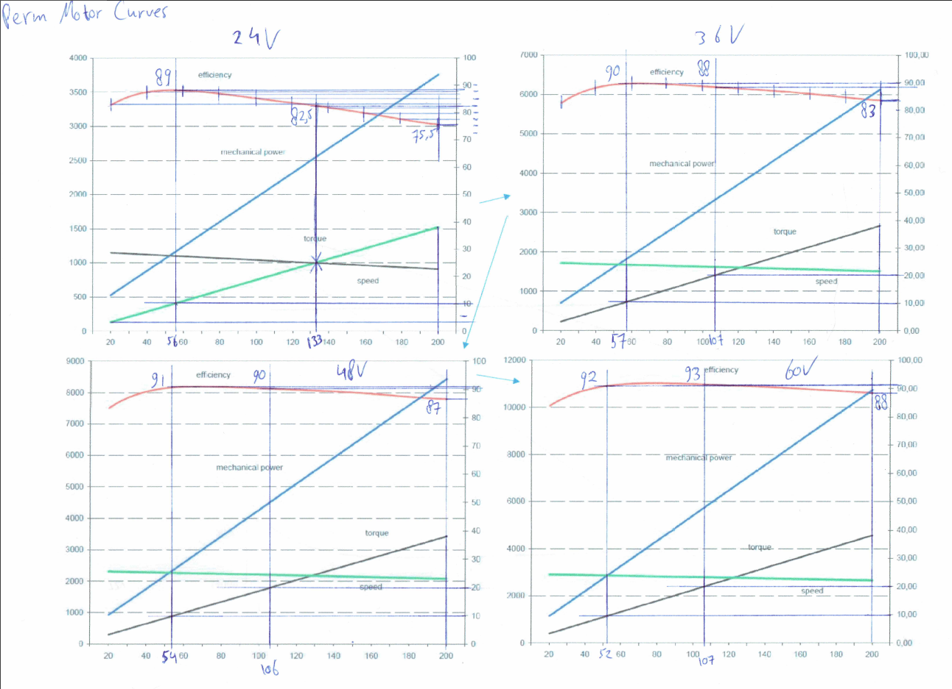
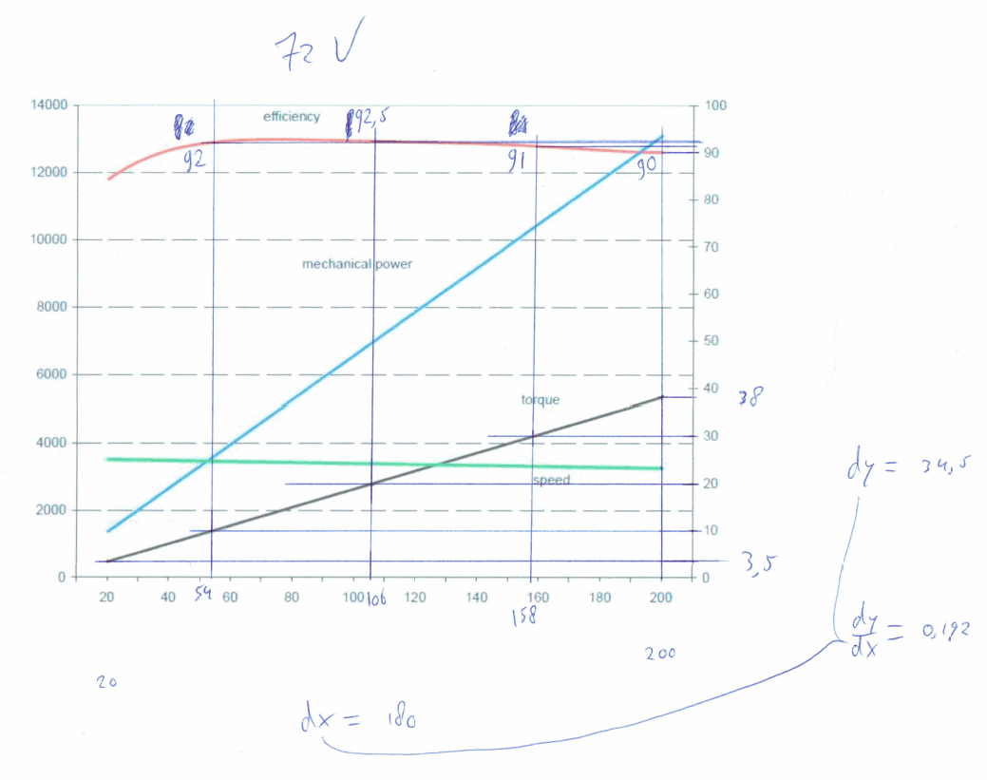
 |  |  |  |  |  |  |  |  |  |  |  |  |  |  |  | From motor curves (measured)
 |  |  |  |  |  |  |  |  |  |  |  |  |  |  |  | T | 10 | 10 | 20 | 20 | 25 | 25 | 30 | 30 | 38 | 38 |  | Current torque relation coefficient
 |  |  |  |  |  |  |  |  |  |  |  |  |  |  |  | V | A | η | A | η | A | η | A | η | A | η |  | V, T | 10 | 20 | 25 | 30 | 38
 |  |  |  |  |  |  |  |  |  |  |  |  |  |  |  | 24 | 56 | 89.0% | - | - | 133 | 82.5% | - | - | 200 | 75.5% |  | 24 | 0.179 | - | 0.188 | - | 0.190
 |  |  |  |  |  |  |  |  |  |  |  |  |  |  |  | 36 | 57 | 90.0% | 107 | 88.0% | - | - | - | - | 200 | 83.0% |  | 36 | 0.175 | 0.187 | - | - | 0.190
 |  |  |  |  |  |  |  |  |  |  |  |  |  |  |  | 48 | 54 | 91.0% | 106 | 90.0% | - | - | - | - | 200 | 87.0% |  | 48 | 0.185 | 0.189 | - | - | 0.190
 |  |  |  |  |  |  |  |  |  |  |  |  |  |  |  | 60 | 52 | 92.0% | 107 | 93.0% | - | - | - | - | 200 | 88.0% |  | 60 | 0.192 | 0.187 | - | - | 0.190
 |  |  |  |  |  |  |  |  |  |  |  |  |  |  |  | 72 | 54 | 92.0% | 106 | 92.5% | - | - | 158 | 91.0% | 200 | 90.0% |  | 72 | 0.185 | 0.189 | - | 0.190 | 0.190

 |  |  |  |  |  |  |  |  |  |  |  |  |  |  |  | T | 10 |  |  |  |  |  |  | T | 20
 |  |  |  |  |  |  |  |  |  |  |  |  |  |  |  | rpm | A | V | η | A_error | V_error | η_error |  | rpm | A | V | η | A_error | V_error | η_error
 |  |  |  |  |  |  |  |  |  |  |  |  |  |  |  | 1103 | 52.6316 | 24.1472 | 90.88% | 3.3684 | 0.1472 | 1.8846% |  | 1034 | 105.2632 | 24.0417 | 85.57% | #VALUE! | 0.0417 | #VALUE!
 |  |  |  |  |  |  |  |  |  |  |  |  |  |  |  | 1679 | 52.6316 | 35.8719 | 93.13% | 4.3684 | 0.1281 | 3.1275% |  | 1619 | 105.2632 | 35.9955 | 89.49% | 1.7368 | 0.0045 | 1.4913%
 |  |  |  |  |  |  |  |  |  |  |  |  |  |  |  | 2269 | 52.6316 | 47.8816 | 94.29% | 1.3684 | 0.1184 | 3.2862% |  | 2203 | 105.2632 | 47.9289 | 91.45% | 0.7368 | 0.0711 | 1.4533%
 |  |  |  |  |  |  |  |  |  |  |  |  |  |  |  | 2865 | 52.6316 | 60.0134 | 94.99% | 0.6316 | 0.0134 | 2.9858% |  | 2794 | 105.2632 | 60.0053 | 92.64% | 1.7368 | 0.0053 | 0.3556%
 |  |  |  |  |  |  |  |  |  |  |  |  |  |  |  | 3458 | 52.6316 | #N/A | #N/A | 1.3684 | #N/A | #N/A |  | 3383 | 105.2632 | #N/A | #N/A | 0.7368 | #N/A | #N/A

 |  |  |  |  |  |  |  |  |  |  |  |  |  |  |  | T | 25 |  |  |  |  |  |  | T | 30
 |  |  |  |  |  |  |  |  |  |  |  |  |  |  |  | rpm | A | V | η | A_error | V_error | η_error |  | rpm | A | V | η | A_error | V_error | η_error
 |  |  |  |  |  |  |  |  |  |  |  |  |  |  |  | 1000 | 131.5789 | 23.9988 | 82.91% | 1.4211 | 0.0012 | 0.4071% |  | 965 | 157.8947 | 23.9353 | 0.8022 | #VALUE! | 0.0647 | #VALUE!
 |  |  |  |  |  |  |  |  |  |  |  |  |  |  |  | 1588 | 131.5789 | 36.0372 | 87.68% | #VALUE! | 0.0372 | #VALUE! |  | 1558 | 157.8947 | 36.0995 | 0.8587 | #VALUE! | 0.0995 | #VALUE!
 |  |  |  |  |  |  |  |  |  |  |  |  |  |  |  | 2170 | 131.5789 | 47.9526 | 90.04% | #VALUE! | 0.0474 | #VALUE! |  | 2137 | 157.8947 | 47.9765 | 0.8863 | #VALUE! | 0.0235 | #VALUE!
 |  |  |  |  |  |  |  |  |  |  |  |  |  |  |  | 2758 | 131.5789 | 59.9909 | 91.47% | #VALUE! | 0.0091 | #VALUE! |  | 2722 | 157.8947 | 59.9765 | 0.9030 | #VALUE! | 0.0235 | #VALUE!
 |  |  |  |  |  |  |  |  |  |  |  |  |  |  |  | 3346 | 131.5789 | #N/A | #N/A | #VALUE! | #N/A | #N/A |  | 3308 | 157.8947 | 71.9971 | 0.9142 | 10.53% | 0.0029 | 0.4182%

 |  |  |  |  |  |  |  |  |  |  |  |  |  |  |  | T | 38
 |  |  |  |  |  |  |  |  |  |  |  |  |  |  |  | rpm | A | V | η | A_error | V_error | η_error
 |  |  |  |  |  |  |  |  |  |  |  |  |  |  |  | 910 | 200.0000 | 23.8537 | 75.90% | 0.0000 | 0.1463 | 0.4044%
 |  |  |  |  |  |  |  |  |  |  |  |  |  |  |  | 1510 | 200.0000 | 36.1997 | 83.00% | 0.0000 | 0.1997 | 0.0046%
 |  |  |  |  |  |  |  |  |  |  |  |  |  |  |  | 2084 | 200.0000 | 48.0107 | 86.37% | 0.0000 | 0.0107 | 0.6342%
 |  |  |  |  |  |  |  |  |  |  |  |  |  |  |  | 2664 | 200.0000 | 59.9452 | 88.42% | 0.0000 | 0.0548 | 0.4224%
 |  |  |  |  |  |  |  |  |  |  |  |  |  |  |  | 3249 | 200.0000 | 71.9825 | 89.81% | 0.0000 | 0.0175 | 0.1941%

Gearing
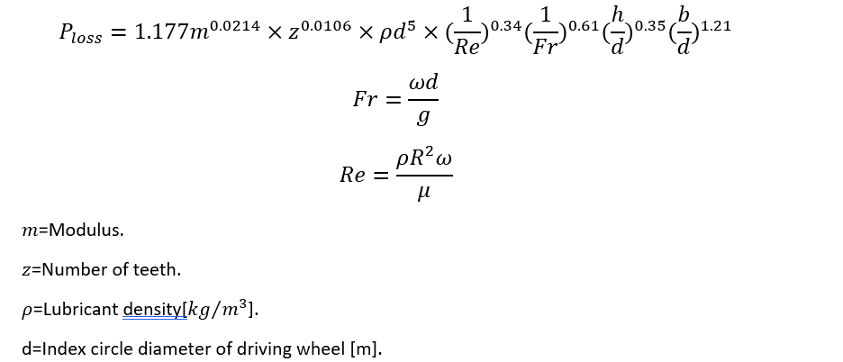
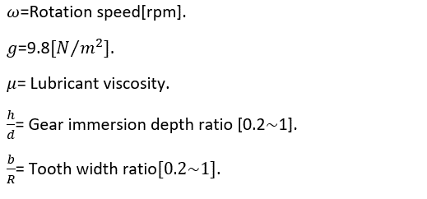
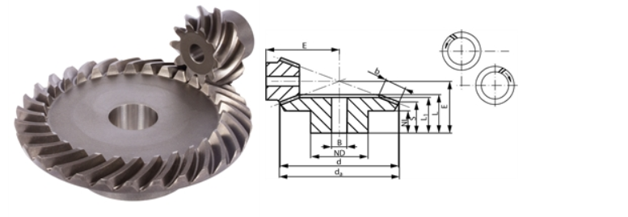
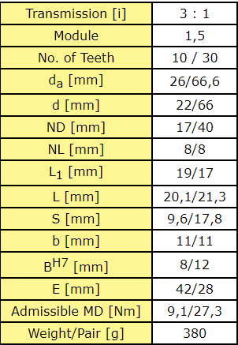
Values from bearing system
Rotation speed [rpm] | 148.63663469
Torque [Nm] | 4.0731737743

Intermediate variables
cosα | 0.86602540378
Pvzp [W] | 3.7194509318
FR [N] | 2.0903537556
Fn [N] | 10.451768778
Ft [N] | 9.0514972762
Vrel [m/s] | 1.7793404211
Fr | 1.4279992648
Re | 8.4052036728
Pchl [W] | 0.00048260093217
Gearing power loss [W] | 3.7199335327
Converted rotation speed [rpm] | 445.90990407
Converted torque [Nm] | 1.3577245914
Gearing output power [W] | 63.399731792
Gearing input power [W] | 67.119665324

Output values to motor
Feedback rotation speed to motor [rpm] | 445.90990407
Feedback torque to motor [Nm] | 1.4373881025

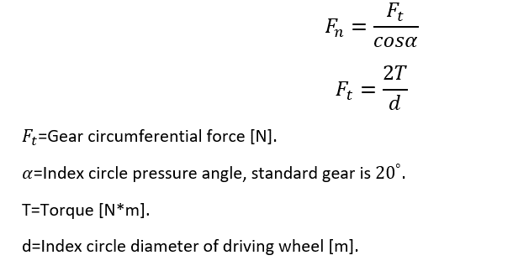

[rad/s]

